Temp Averaging
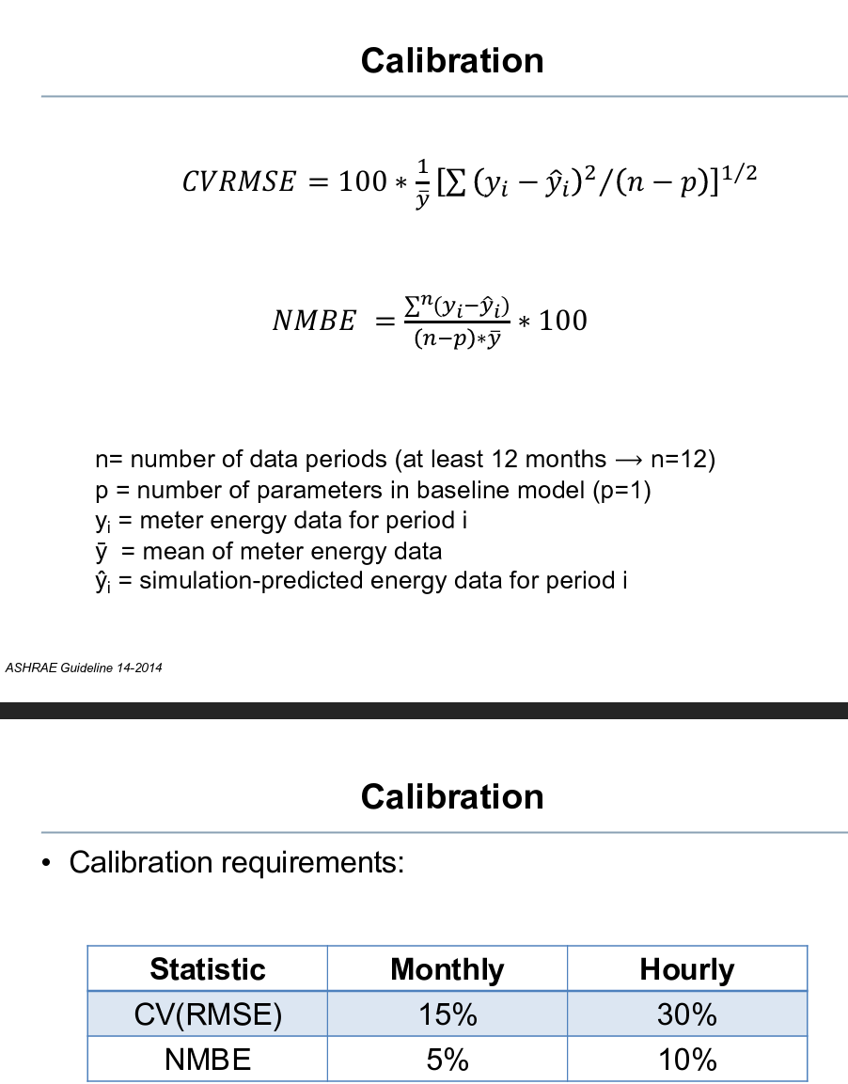
Date-Time (CDT) | T_O_T [°C] | T_O_RH [%] | Avg T | Avg Rh | Avg IT | Hour | Avg T | Avg Rh | Hour |  | Modeled |  | yi-y^1 | CVRMSE 168 | CVRMSE Outage
3/17/25 | -2.3922222222 | 76.878 | -2.5757777778 | 77.560766667 | 17.346547544 | 1 | -2.5757777778 | 77.560766667 | 1 | 17.348417431 | 18.633158107 | 0.0099123756939 | -1.286610563 | 2.50% | 5.77% | 17.05 | 15.981249627
3/17/25 | -2.4211111111 | 76.872 | -2.8161203704 | 78.073033333 | 17.303527517 | 2 | -2.8161203704 | 78.073033333 | 2 | 17.36007566 | 18.208014457 | 0.0048987821871 | -0.90448694034 | NMBE 168 | NMBE Outage
3/17/25 | -2.4211111111 | 76.689 | -3.3500462963 | 78.934333333 | 17.529984027 | 3 | -3.3500462963 | 78.934333333 | 3 | 17.376226937 | 18.151316642 | 0.0023117019091 | -0.62133261528 | -4.63% | -2.84%
 | t | Avg IT | Model T
1 | -2.5757777778 | 17.346547544 | 18.633158107
2 | -2.8161203704 | 17.303527517 | 18.208014457
3 | -3.3500462963 | 17.529984027 | 18.151316642
4 | -3.8447037037 | 17.838547062 | 18.145616171
5 | -4.2615 | 17.327323049 | 18.135945334
6 | -4.5407777778 | 17.41657842 | 18.136111691
7 | -4.7687314815 | 17.727652793 | 18.140735642
8 | -4.0896944444 | 17.681969587 | 18.143579173
9 | 2.0964259259 | 17.403422053 | 18.159314392
10 | 7.1772407407 | 17.612488636 | 18.180858374
11 | 8.8159351852 | 17.809445106 | 18.287347888
12 | 8.5833148148 | 17.860944498 | 18.592222817
13 | 9.5201574074 | 17.91037672 | 18.749755415
14 | 11.86062037 | 17.746784048 | 18.881709252
15 | 12.725009259 | 17.536527096 | 19.001305431
16 | 12.69812037 | 17.498548549 | 18.995436177
17 | 12.704527778 | 17.528810605 | 18.907639349
18 | 11.86125 | 17.522200057 | 18.763905591
19 | 10.998361111 | 17.333514238 | 18.577824392
20 | 9.9492037037 | 17.137082641 | 18.421107174
21 | 9.2781759259 | 16.992771856 | 18.265100579
22 | 8.7275925926 | 16.849711295 | 18.201389899
23 | 8.3262314815 | 17.364224335 | 18.196333334
24 | 8.0295833333 | 17.611940402 | 18.193261031
25 | 7.7728611111 | 17.588329939 | 18.196597825
26 | 7.4991574074 | 17.235436092 | 18.197021225
27 | 7.3445925926 | 17.161637886 | 18.196854579
28 | 7.5968703704 | 17.525213045 | 18.19805117
29 | 7.7820833333 | 17.687442354 | 18.199606836
30 | 7.5896388889 | 17.641424106 | 18.199606379
31 | 7.0502314815 | 17.242572528 | 18.197626788
32 | 6.5749537037 | 16.97687463 | 18.193734307
33 | 7.6571666667 | 17.132770986 | 18.194214043
34 | 9.0311851852 | 17.225807836 | 18.198406064
35 | 11.185490741 | 17.493424772 | 18.204146431
36 | 14.557101852 | 17.365014019 | 18.354264526
37 | 17.884731481 | 17.265567435 | 18.753272106
38 | 19.86262963 | 17.295646298 | 19.101105308
39 | 22.191675926 | 17.441666207 | 19.588418954
40 | 23.545166667 | 17.592654959 | 19.970682341
41 | 23.148962963 | 17.803330831 | 20.023285708
42 | 22.181907407 | 17.947912461 | 19.971778781
43 | 21.192907407 | 18.015697771 | 19.8719763
44 | 19.758824074 | 18.038401919 | 19.748356222
45 | 18.712324074 | 17.782359276 | 19.620671516
46 | 13.294537037 | 17.645222223 | 19.423062191
47 | 9.8886666667 | 17.584754912 | 19.109439869
48 | 8.6765277778 | 17.430375938 | 18.818056845
49 | 7.9625 | 17.321207921 | 18.607350845
50 | 7.5050092593 | 17.181374618 | 18.420809558
...
3/17/25 | -2.4211111111 | 76.898 | -3.8447037037 | 80.015716667 | 17.838547062 | 4 | -3.8447037037 | 80.015716667 | 4 | 17.390131497 | 18.145616171 | 0.0005646193897 | -0.30706910962
3/17/25 | -2.45 | 77.153 | -4.2615 | 81.756733333 | 17.327323049 | 5 | -4.2615 | 81.756733333 | 5 | 17.404537149 | 18.135945334 | 0.0039153892183 | -0.80862228479
3/17/25 | -2.4211111111 | 77.29 | -4.5407777778 | 82.881833333 | 17.41657842 | 6 | -4.5407777778 | 82.881833333 | 6 | 17.414479179 | 18.136111691 | 0.0031001684323 | -0.71953327108
3/17/25 | -2.4211111111 | 77.473 | -4.7687314815 | 83.642183333 | 17.727652793 | 7 | -4.7687314815 | 83.642183333 | 7 | 17.425908029 | 18.140735642 | 0.0010217810805 | -0.41308284937
3/17/25 | -2.45 | 77.571 | -4.0896944444 | 85.08015 | 17.681969587 | 8 | -4.0896944444 | 85.08015 | 8 | 17.437581751 | 18.143579173 | 0.0012759485625 | -0.46160958605
3/17/25 | -2.45 | 77.441 | 2.0964259259 | 73.668 | 17.403422053 | 9 | 2.0964259259 | 73.668 | 9 | 17.445026521 | 18.159314392 | 0.003421396573 | -0.7558923387
3/17/25 | -2.45 | 77.362 | 7.1772407407 | 49.8896 | 17.612488636 | 10 | 7.1772407407 | 49.8896 | 10 | 17.4601934 | 18.180858374 | 0.0019343961648 | -0.56836973839
3/17/25 | -2.4788888889 | 77.304 | 8.8159351852 | 39.9675 | 17.809445106 | 11 | 8.8159351852 | 39.9675 | 11 | 17.448506462 | 18.287347888 | 0.0013676111897 | -0.47790278163
3/17/25 | -2.4788888889 | 77.199 | 8.5833148148 | 38.9346 | 17.860944498 | 12 | 8.5833148148 | 38.9346 | 12 | 17.43457963 | 18.592222817 | 0.0032022034723 | -0.73127831902
3/17/25 | -2.4788888889 | 77.225 | 9.5201574074 | 40.90735 | 17.91037672 | 13 | 9.5201574074 | 40.90735 | 13 | 17.422894077 | 18.749755415 | 0.0042189017614 | -0.83937869532
3/17/25 | -2.4788888889 | 77.382 | 11.86062037 | 38.477716667 | 17.746784048 | 14 | 11.86062037 | 38.477716667 | 14 | 17.415694895 | 18.881709252 | 0.0077129055084 | -1.1349252045
3/17/25 | -2.4788888889 | 77.382 | 12.725009259 | 36.8604 | 17.536527096 | 15 | 12.725009259 | 36.8604 | 15 | 17.407492908 | 19.001305431 | 0.012847757924 | -1.4647783359
3/17/25 | -2.4788888889 | 77.46 | 12.69812037 | 36.955733333 | 17.498548549 | 16 | 12.69812037 | 36.955733333 | 16 | 17.393575468 | 18.995436177 | 0.013417201015 | -1.4968876275
3/17/25 | -2.4788888889 | 77.408 | 12.704527778 | 37.5806 | 17.528810605 | 17 | 12.704527778 | 37.5806 | 17 | 17.3796571 | 18.907639349 | 0.011384243748 | -1.3788287442
3/17/25 | -2.5077777778 | 77.506 | 11.86125 | 39.4734 | 17.522200057 | 18 | 11.86125 | 39.4734 | 18 | 17.366486004 | 18.763905591 | 0.0092325307396 | -1.2417055341
3/17/25 | -2.5077777778 | 77.297 | 10.998361111 | 44.126283333 | 17.333514238 | 19 | 10.998361111 | 44.126283333 | 19 | 17.353059613 | 18.577824392 | 0.0092713039368 | -1.2443101532
3/17/25 | -2.5077777778 | 77.402 | 9.9492037037 | 48.029633333 | 17.137082641 | 20 | 9.9492037037 | 48.029633333 | 20 | 17.345857319 | 18.421107174 | 0.0098725688701 | -1.284024533
3/17/25 | -2.5077777778 | 77.506 | 9.2781759259 | 51.765383333 | 16.992771856 | 21 | 9.2781759259 | 51.765383333 | 21 | 17.334169191 | 18.265100579 | 0.0096935352058 | -1.272328723
3/17/25 | -2.5077777778 | 77.715 | 8.7275925926 | 53.573533333 | 16.849711295 | 22 | 8.7275925926 | 53.573533333 | 22 | 17.318754903 | 18.201389899 | 0.010940329646 | -1.3516786049
3/17/25 | -2.5077777778 | 77.819 | 8.3262314815 | 54.683883333 | 17.364224335 | 23 | 8.3262314815 | 54.683883333 | 23 | 17.307324417 | 18.196333334 | 0.0041461400361 | -0.83210899889
3/17/25 | -2.5372222222 | 77.76 | 8.0295833333 | 55.60005 | 17.611940402 | 24 | 8.0295833333 | 55.60005 | 24 | 17.300367001 | 18.193261031 | 0.0020235549321 | -0.58132062896
3/17/25 | -2.5372222222 | 77.526 | 7.7728611111 | 56.612883333 | 17.588329939 | 25 | 7.7728611111 | 56.612883333 | 25 | 17.290432009 | 18.196597825 | 0.0022155079097 | -0.60826788582
3/17/25 | -2.5372222222 | 77.604 | 7.4991574074 | 58.271266667 | 17.235436092 | 26 | 7.4991574074 | 58.271266667 | 26 | 17.281976811 | 18.197021225 | 0.0055368022098 | -0.96158513354
3/17/25 | -2.5661111111 | 77.754 | 7.3445925926 | 59.7114 | 17.161637886 | 27 | 7.3445925926 | 59.7114 | 27 | 17.277005011 | 18.196854579 | 0.0064172072025 | -1.0352166937
3/17/25 | -2.5661111111 | 77.597 | 7.5968703704 | 60.52015 | 17.525213045 | 28 | 7.5968703704 | 60.52015 | 28 | 17.266323613 | 18.19805117 | 0.0027108451664 | -0.67283812524
3/17/25 | -2.5661111111 | 77.467 | 7.7820833333 | 61.078016667 | 17.687442354 | 29 | 7.7820833333 | 61.078016667 | 29 | 17.255140554 | 18.199606836 | 0.001570733272 | -0.51216448181
3/17/25 | -2.5661111111 | 77.676 | 7.5896388889 | 62.156583333 | 17.641424106 | 30 | 7.5896388889 | 62.156583333 | 30 | 17.250162247 | 18.199606379 | 0.0018656733521 | -0.55818227292
3/17/25 | -2.5661111111 | 77.806 | 7.0502314815 | 63.712716667 | 17.242572528 | 31 | 7.0502314815 | 63.712716667 | 31 | 17.247916958 | 18.197626788 | 0.0054618481474 | -0.95505426056
3/17/25 | -2.5661111111 | 77.441 | 6.5749537037 | 65.328466667 | 16.97687463 | 32 | 6.5749537037 | 65.328466667 | 32 | 17.245425881 | 18.193734307 | 0.0088667513413 | -1.2168596772
3/17/25 | -2.5661111111 | 77.597 | 7.6571666667 | 64.568783333 | 17.132770986 | 33 | 7.6571666667 | 64.568783333 | 33 | 17.247163703 | 18.194214043 | 0.0067464752256 | -1.0614430567
3/17/25 | -2.5661111111 | 77.493 | 9.0311851852 | 61.9148 | 17.225807836 | 34 | 9.0311851852 | 61.9148 | 34 | 17.248901017 | 18.198406064 | 0.0056643551659 | -0.97259822779
3/17/25 | -2.5961111111 | 77.695 | 11.185490741 | 57.811783333 | 17.493424772 | 35 | 11.185490741 | 57.811783333 | 35 | 17.254119993 | 18.204146431 | 0.003024702249 | -0.71072165831
3/17/25 | -2.5961111111 | 77.747 | 14.557101852 | 50.6602 | 17.365014019 | 36 | 14.557101852 | 50.6602 | 36 | 17.260569636 | 18.354264526 | 0.0058599794465 | -0.98925050799
3/17/25 | -2.5961111111 | 77.643 | 17.884731481 | 43.82765 | 17.265567435 | 37 | 17.884731481 | 43.82765 | 37 | 17.265779205 | 18.753272106 | 0.013253084946 | -1.4877046703
3/17/25 | -2.625 | 77.715 | 19.86262963 | 41.103 | 17.295646298 | 38 | 19.86262963 | 41.103 | 38 | 17.273726522 | 19.101105308 | 0.019519055311 | -1.8054590101
3/17/25 | -2.625 | 77.715 | 22.191675926 | 38.623016667 | 17.441666207 | 39 | 22.191675926 | 38.623016667 | 39 | 17.281175316 | 19.588418954 | 0.027596091948 | -2.1467527467
3/17/25 | -2.625 | 77.819 | 23.545166667 | 37.636666667 | 17.592654959 | 40 | 23.545166667 | 37.636666667 | 40 | 17.292348679 | 19.970682341 | 0.033862360671 | -2.3780273825
3/17/25 | -2.625 | 77.663 | 23.148962963 | 38.517733333 | 17.803330831 | 41 | 23.148962963 | 38.517733333 | 41 | 17.304018346 | 20.023285708 | 0.029510177575 | -2.2199548768
3/17/25 | -2.6538888889 | 77.604 | 22.181907407 | 40.7391 | 17.947912461 | 42 | 22.181907407 | 40.7391 | 42 | 17.314446314 | 19.971778781 | 0.024527154977 | -2.02386632
3/17/25 | -2.6538888889 | 77.604 | 21.192907407 | 43.464316667 | 18.015697771 | 43 | 21.192907407 | 43.464316667 | 43 | 17.32239702 | 19.8719763 | 0.020633353165 | -1.8562785293
3/17/25 | -2.6538888889 | 77.604 | 19.758824074 | 46.531033333 | 18.038401919 | 44 | 19.758824074 | 46.531033333 | 44 | 17.325125401 | 19.748356222 | 0.01750864503 | -1.7099543035
3/17/25 | -2.6538888889 | 77.63 | 18.712324074 | 49.089733333 | 17.782359276 | 45 | 18.712324074 | 49.089733333 | 45 | 17.336052984 | 19.620671516 | 0.020235879578 | -1.8383122394
3/17/25 | -2.6827777778 | 77.624 | 13.294537037 | 51.677366667 | 17.645222223 | 46 | 13.294537037 | 51.677366667 | 46 | 17.344009132 | 19.423062191 | 0.018926436825 | -1.7778399674
3/17/25 | -2.6827777778 | 77.754 | 9.8886666667 | 58.457166667 | 17.584754912 | 47 | 9.8886666667 | 58.457166667 | 47 | 17.349972024 | 19.109439869 | 0.01392014502 | -1.5246849571
3/17/25 | -2.6827777778 | 77.884 | 8.6765277778 | 62.405566667 | 17.430375938 | 48 | 8.6765277778 | 62.405566667 | 48 | 17.353948467 | 18.818056845 | 0.011530888026 | -1.3876809072
3/17/25 | -2.6827777778 | 77.962 | 7.9625 | 65.6435 | 17.321207921 | 49 | 7.9625 | 65.6435 | 49 | 17.365874868 | 18.607350845 | 0.0099051713838 | -1.2861429241
3/17/25 | -2.7122222222 | 77.878 | 7.5050092593 | 67.740916667 | 17.181374618 | 50 | 7.5050092593 | 67.740916667 | 50 | 17.373083 | 18.420809558 | 0.0091987962316 | -1.2394349401
3/17/25 | -2.7122222222 | 77.826 | 6.9775185185 | 69.7925 | 17.028586719 | 51 | 6.9775185185 | 69.7925 | 51 | 17.37606713 | 18.232498437 | 0.0086790624218 | -1.2039117179
3/17/25 | -2.7122222222 | 77.826 | 6.276462963 | 72.754483333 | 16.919973744 | 52 | 6.276462963 | 72.754483333 | 52 | 17.378800444 | 18.186627765 | 0.0096072599221 | -1.2666540202
3/17/25 | -2.7422222222 | 77.871 | 5.6756203704 | 74.425166667 | 16.908304837 | 53 | 5.6756203704 | 74.425166667 | 53 | 17.377308477 | 18.179724818 | 0.00967969322 | -1.2714199809
3/17/25 | -2.7422222222 | 77.897 | 5.05875 | 77.253716667 | 16.948779875 | 54 | 5.05875 | 77.253716667 | 54 | 17.381536373 | 18.175691859 | 0.0090138503952 | -1.2269119838
3/17/25 | -2.7422222222 | 77.689 | 4.6980277778 | 78.699066667 | 17.368910126 | 55 | 4.6980277778 | 78.699066667 | 55 | 17.387251426 | 18.177626108 | 0.0039162966454 | -0.80871598215
3/17/25 | -2.7422222222 | 77.663 | 5.0466759259 | 78.877816667 | 17.568824407 | 56 | 5.0466759259 | 78.877816667 | 56 | 17.386257698 | 18.173440951 | 0.0021889890073 | -0.60461654313
3/17/25 | -2.7422222222 | 77.793 | 7.8263611111 | 72.0372 | 17.407060503 | 57 | 7.8263611111 | 72.0372 | 57 | 17.392721443 | 18.18251286 | 0.0036007566353 | -0.77545235707
3/17/25 | -2.7422222222 | 77.663 | 10.289074074 | 63.393333333 | 17.304272644 | 58 | 10.289074074 | 63.393333333 | 58 | 17.39471053 | 18.200086872 | 0.0048052882177 | -0.8958142287
3/17/25 | -2.7422222222 | 77.819 | 11.244148148 | 60.0835 | 17.232876776 | 59 | 11.244148148 | 60.0835 | 59 | 17.396199861 | 18.208607732 | 0.0057009035859 | -0.97573095617
3/17/25 | -2.7422222222 | 78.105 | 10.47812963 | 60.072983333 | 17.256592828 | 60 | 10.47812963 | 60.072983333 | 60 | 17.403907976 | 18.20556753 | 0.005392532847 | -0.94897470221
3/17/25 | -2.7422222222 | 78.027 | 7.3856388889 | 69.124933333 | 17.653053607 | 61 | 7.3856388889 | 69.124933333 | 61 | 17.403908771 | 18.189755323 | 0.0017248427088 | -0.53670171639
3/17/25 | -2.7422222222 | 78.131 | 6.3218611111 | 77.1937 | 17.795143357 | 62 | 6.3218611111 | 77.1937 | 62 | 17.394208151 | 18.178317242 | 0.00087917500783 | -0.38317388521
3/17/25 | -2.7422222222 | 77.975 | 6.0786944444 | 81.116016667 | 17.78175739 | 63 | 6.0786944444 | 81.116016667 | 63 | 17.386248541 | 18.175244247 | 0.00092713716794 | -0.39348685753
3/17/25 | -2.7422222222 | 77.819 | 5.6944907407 | 83.96995 | 17.440305168 | 64 | 5.6944907407 | 83.96995 | 64 | 17.372824144 | 18.172848294 | 0.0032132900006 | -0.73254312507
3/17/25 | -2.7422222222 | 77.871 | 5.7709722222 | 84.984566667 | 17.220976911 | 65 | 5.7709722222 | 84.984566667 | 65 | 17.357909296 | 18.175344147 | 0.0054539929357 | -0.95436723553
3/17/25 | -2.7422222222 | 77.715 | 5.4725648148 | 86.25545 | 17.549742916 | 66 | 5.4725648148 | 86.25545 | 66 | 17.349706588 | 18.180234098 | 0.0023803540753 | -0.63049118199
3/17/25 | -2.7422222222 | 77.975 | 5.9227222222 | 85.9661 | 17.561291902 | 67 | 5.9227222222 | 85.9661 | 67 | 17.344985012 | 18.184167996 | 0.0023232013685 | -0.62287609405
3/17/25 | -2.7422222222 | 77.975 | 5.2784166667 | 84.845133333 | 17.361719751 | 68 | 5.2784166667 | 84.845133333 | 68 | 17.342499743 | 18.185020115 | 0.0040588232873 | -0.82330036376
3/17/25 | -2.7422222222 | 77.923 | 4.4349259259 | 84.233383333 | 17.232598713 | 69 | 4.4349259259 | 84.233383333 | 69 | 17.333304189 | 18.182261841 | 0.0054003596278 | -0.94966312861
3/17/25 | -2.7422222222 | 77.949 | 3.9548055556 | 83.3267 | 17.072171239 | 70 | 3.9548055556 | 83.3267 | 70 | 17.328831666 | 18.180223803 | 0.0073519789428 | -1.1080525635
...

